Blad1
PICTURE | DESCRIPTION | QUALITY | RETAIL | WHS | ASS | 36 | 37 | 38 | 39 | 40 | 41 | 42 | TOTAAL: | QTY ASS | TOTAL PAIRS
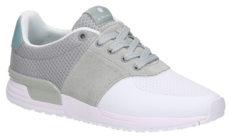 | BJORN BORG R100 LOW WHITE LT-GREY | MESH-SUEDE-RUNNING SOLE | € 89.95 | € 44.98 | X | 75 | 196 | 280 | 283 | 161 | 75 | 34 | 1104 | 0 | 1104 | ZIT IN MAATDOZEN VAN 10 STUKS
 |  |  |  |  | 4A | 1 | 1 | 2 | 2 | 1 | 1 |  | 8 | 16 | 128
 |  |  |  |  | 4D | 1 | 2 | 3 | 3 | 2 | 1 |  | 12 | 52 | 624
 |  |  |  |  | 4E | 1 | 2 | 3 | 2 | 1 | 1 |  | 10 | 21 | 210
 |  |  |  |  | 4G |  | 1 | 2 | 3 | 3 | 2 | 1 | 12 | 5 | 60
 |  |  |  |  | 4R |  | 1 | 2 | 2 | 2 | 2 | 1 | 10 | 18 | 180
 |  |  |  |  | 4S | 1 | 1 | 2 | 2 | 2 | 1 | 1 | 10 | 2 | 20

 |  |  |  |  | Tot |  |  |  |  |  |  |  |  |  |  | 2326
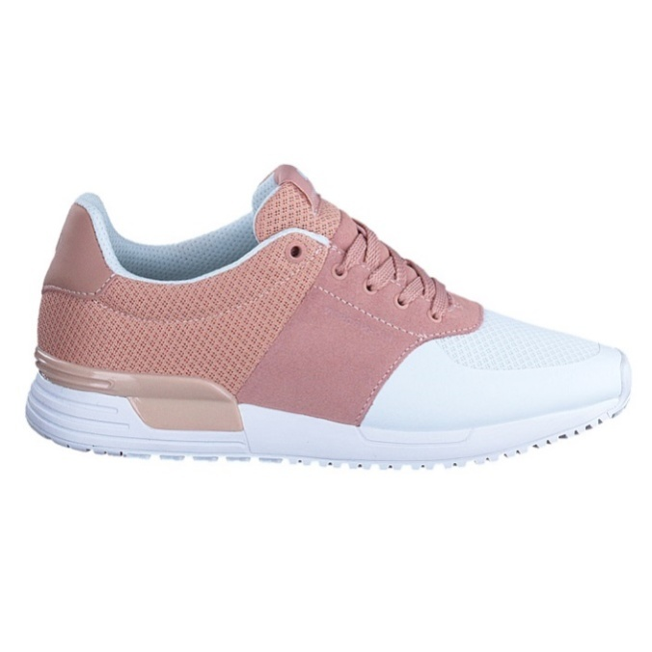 | BJORN BORG R100 LOW WHITE LT-PINK | MESH-SUEDE-RUNNING SOLE | € 89.95 | € 44.98 | 4A | 1 | 1 | 2 | 2 | 1 | 1 |  | 8 | 14 | 112
 |  |  |  |  | 4D | 1 | 2 | 3 | 3 | 2 | 1 |  | 12 | 56 | 672
 |  |  |  |  | 4E | 1 | 2 | 3 | 2 | 1 | 1 |  | 10 | 30 | 300
 |  |  |  |  | 4G |  | 1 | 2 | 3 | 3 | 2 | 1 | 12 | 4 | 48
 |  |  |  |  | 4R |  | 1 | 2 | 2 | 2 | 2 | 1 | 10 | 8 | 80
 |  |  |  |  | 4S | 1 | 1 | 2 | 2 | 2 | 1 | 1 | 10 | 4 | 40
 |  |  |  |  | Tot |  |  |  |  |  |  |  |  |  |  | 1252
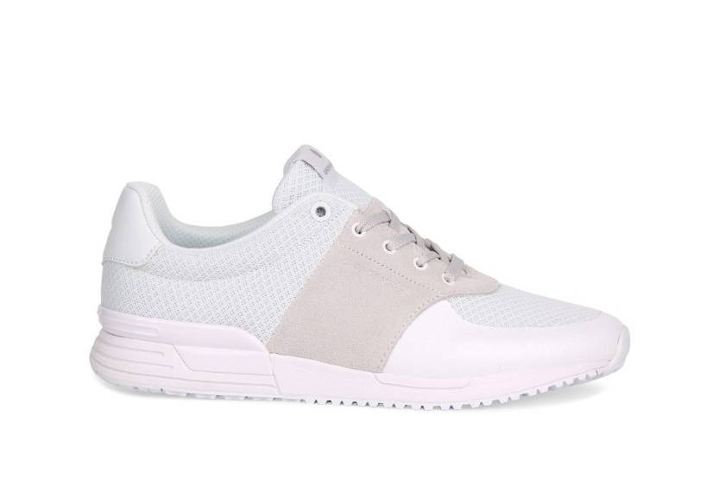 | BJORN BORG R100 LOW WHITE - 4D | MESH-SUEDE-RUNNING SOLE | € 89.95 | € 44.98 | 4D | 1 | 2 | 3 | 3 | 2 | 1 |  | 12 | 25 | 300 | 300

PICTURE | DESCRIPTION | QUALITY | RETAIL | WHS | ASS | 40 | 41 | 42 | 43 | 44 | 45 |  | TOTAAL: | QTY ASS | TOTAL PAIRS
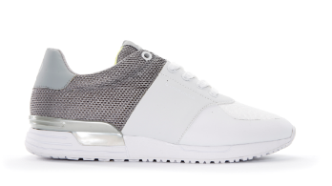 | BJORN BORG R100 LOW WHITE - GREY | MESH-SUEDE-RUNNING SOLE | € 89.95 | € 44.98 | x | 14 | 27 | 37 | 37 | 27 | 14 |  | 156 | 1 | 156 | ZIT IN MAATDOZEN VAN 10 STUKS

 |  |  |  |  |  |  |  |  |  |  |  |  |  |  |  | 156
 |  |  |  |  |  |  |  |  |  |  |  |  |  |  |  | 4034 | Total

